Q3
All values are in millions except for share price and percentages

Before Recapitalization
 | Worst Case | Most Likely (normal) | Best Case
EBIT | 7,924 | 26,414 | 39,621
Interest Expense | - | - | -
Taxable Income | 7,924 | 26,414 | 39,621 | E8 - E9
Taxes (@30%) | 2,377 | 7,924 | 11,886 | 0.3 x E10
Net Income | 5,547 | 18,490 | 27,735 | E10 - E11
Shares Outstanding | 501.30 | 501.30 | 501.30
EPS (Earnings Per Share) | 11.07 | 36.88 | 55.33 | D12/D13

After Recapitalization with share repurchase
 | Worst Case | Most Likely (normal) | Best Case
EBIT | 7,924 | 26,414 | 39,621
Interest Expense | 301 | 301 | 301
Taxable Income | 7,623 | 26,113 | 39,320
Taxes | 2,287 | 7,834 | 11,796
Net Income | 5,336 | 18,279 | 27,524
Shares Outstanding | 445.73 | 445.73 | 445.73
EPS (Earnings Per Share) | 11.97 | 41.01 | 61.75

After Recapitalization with dividend
 | Worst Case | Most Likely (normal) | Best Case
EBIT | 7,924 | 26,414 | 39,621
Interest Expense | 301 | 301 | 301
Taxable Income | 7,623 | 26,113 | 39,320
Taxes | 2,287 | 7,834 | 11,796
Net Income | 5,336 | 18,279 | 27,524
Shares Outstanding | 501.30 | 501.30 | 501.30
EPS (Earnings Per Share) | 10.64 | 36.46 | 54.91

Create your graph below

EBIT vs EPS

Ownership
Ownership structure (Investors = number; % O/S = percentage ownership)
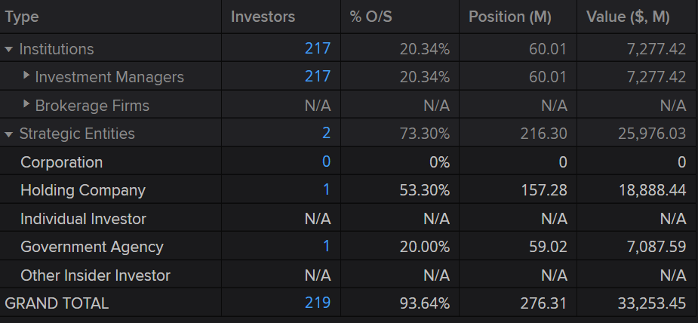

 |  |  |  |  | Note: Investment managers include pension funds, banks and trusts, hedge funds, investment advisors, insurance companies,

Ownership by location (Investors = number; % O/S = percentage ownership)

Location | investors | % O/s | Position (M) | Value ($, M)
Europe | 105 | 75.32% | 222.27 | 26,748.70
Middle east | 1 | 17.00% | 50.17 | 6,024.45
North America | 81 | 1.29% | 3.79 | 469.14
Asia/Pacific | 28 | 0.02% | 0.07 | 10.1
Africa | 4 | 0.00% | 0.01 | 1.05
grand total | 219 | 93.64% | 276.31 | 33253.45

